2014

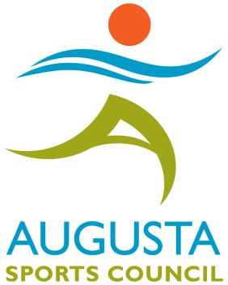
Garden City Classic
$8,000.00
Augusta, Georgia March 25-27, 2016

EVENT | LUCK | CRICKET | CRICKET | CRICKET | CRICKET |  | CRICKET | 701 | 501 | 501 | 501 |  | 501 | 501
 | OF THE | MIXED | LADIES | MENS | LADIES |  | MENS | MIXED | MIXED | MENS | LADIES |  | LADIES | MENS
 | DRAW | PAIRS | PAIRS | SINGLES | SINGLES |  | PAIRS | TRIPLES | PAIRS | PAIRS | PAIRS |  | SINGLES | SINGLES
 | 501 - Crk
 | 401
ENTRY | $10 | $10 | $10 | $15 | $15 |  | $10 | $10 | $10 | $10 | $10 |  | $15 | $15
FEE
PER |  |  |  | t | t |  |  |  |  |  |  |  | t | t
PERSON
t ENTRY FEE INCLUDES A $2.00 ADO SURCHARGE
EVENT | FRI | SAT | SAT | SAT | SAT |  | SAT | SAT | SUN | SUN | SUN |  | SUN | SUN
Cut-Off | 8:00:00 | 10:00:00 | 12:00:00 | 12:30:00 | 3:00:00 |  | 3:30:00 | 6:00:00 | 11:00:00 | 1:00:00 | 1:30:00 |  | 3:00:00 | 3:30:00
TIMES | PM | AM | NOON | PM | PM |  | PM | PM | AM | PM | PM |  | PM | PM
POSTED TIME IS CLOSE OF REGISTRATION
1st | $280 | $240 | $200 | $220 | $160 |  | $240 | $300 | $240 | $240 | $200 |  | $160 | $220
2nd | $140 | $120 | $100 | $120 | $80 |  | $120 | $150 | $120 | $120 | $100 |  | $80 | $120
TOP 4 | $80 | $80 | $50 | $60 | $40 |  | $80 | $75 | $80 | $80 | $50 |  | $40 | $60
Top 8 | $50 | $40 | $30 | $30 | $20 |  | $40 | $45 | $40 | $40 | $30 |  | $20 | $30
Top 16 | $20 | $20 |  | $15 |  |  |  |  | $20 |  | $0 |  |  | $15
TOTAL | $940 | $840 | $520 | $700 | $400 |  | $680 | $780 | $840 | $680 | $520 |  | $400 | $700
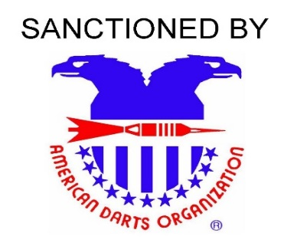
 | $8,000
Youth Events | YOUTH | YOUTH | YOUTH |  |  |  |  |  |  |  |  | Dart supplies provided by:

 | SINGLES | DOUBLES | SINGLES
 | CRICKET | 501 | 501
 | v | v | v
 | $5 | $5 | $5
 | SAT | SUN | SUN
 | 9:00:00 | 10:00:00 | 12:00:00
 | AM | AM | NOON |  |  | Jukebox and Games Provided By:
 | 50% | 50% | 50%
 | 30% | 30% | 30%
 | 10% | 10% | 10%
 | 100% | 100% | 100%

TOURNAMENT LOCATION:
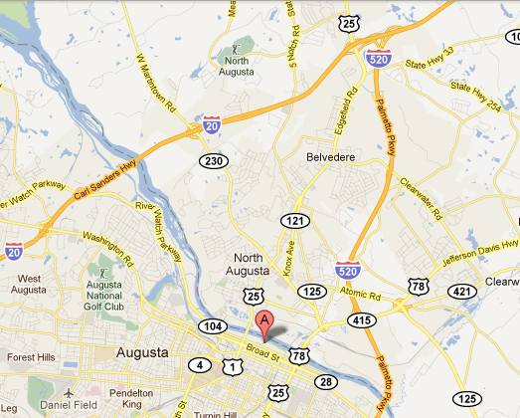

 |  |  |  |  |  |  |  |  | Two Tenth Street · Augusta, Georgia 30901
 |  |  |  |  |  |  |  |  | Phone: 1-706-722-8900
 |  |  |  |  |  |  |  |  | Toll-free: 1-800-868-5354
 |  |  |  |  |  |  |  |  | www.marriott.com/agsmc
 |  |  |  |  |  |  |  |  | Special Darters Rates:
 |  |  |  |  |  |  |  |  | $109.00 per night + tax

 |  |  |  |  |  |  |  |  | For more information:
 |  |  |  |  |  |  |  |  | E-Mail: | mmchris@knology.net
 |  |  |  |  |  |  |  |  |  | tobeo89551@yahoo.com
vDISCLAIMER - AMATEUR STATUS |  |  |  |  |  |  |  |  | Phone: | Steve McDermott 706-840-5100
The SRDA and/or the ADO assumes no responsibility for any adverse effects which Dart Awards may have on the
amateur status of any Youth participant. Please check local regulations/restrictions. |  |  |  |  |  |  |  |  | WARNING
No outside Alcohol, Beverages or Food will be permitted. |  |  |  |  |  |  |  |  | DARTS is an adult sport. It is dangerous for children
Food will be available for sale in the Marriott. |  |  |  |  |  |  |  |  | to play without adult supervision.

